Tasks 2,3,4
365 DataScience RE California Database
Histograms. Graphing numerical data

Task 2: Create a frequency distribution graph representing the price (that is a histogram with the highest possible number of bins - 272). Use data on all apartments and offices, no matter if sold or not.
Task 3: Create a histogram which represents the Price variable. Choose interval width (bins) of length $100,000. If you don't know how to do that, refer to the Course notes on descriptive statistics provided with the first lecture in this section.
Use the data on all properties, no matter if sold or not.
Task 4: Interpret the results.
 | TASK 2:

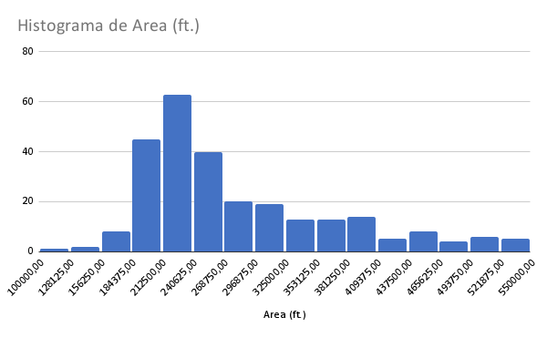
 |  | TASK 3:

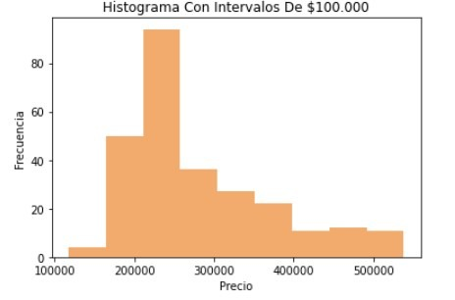

 | TASK 4: el histograma nos muestra como se distribuye cada barra en una categoria, en esta se puede observar la cantidad de areas y precio que tienen vemos que el rango de precio en el que hay mas areas
 | es entre 20.000 y 30.000.

Task 5
365 DataScience RE California Database
Scatter plot. Plotting numerical data; establishing relationship between variables.

Task 5: Create a scatter plot showing the relationship between Price and Area. Use the data on all properties, no matter if sold or not. Interpret the results.
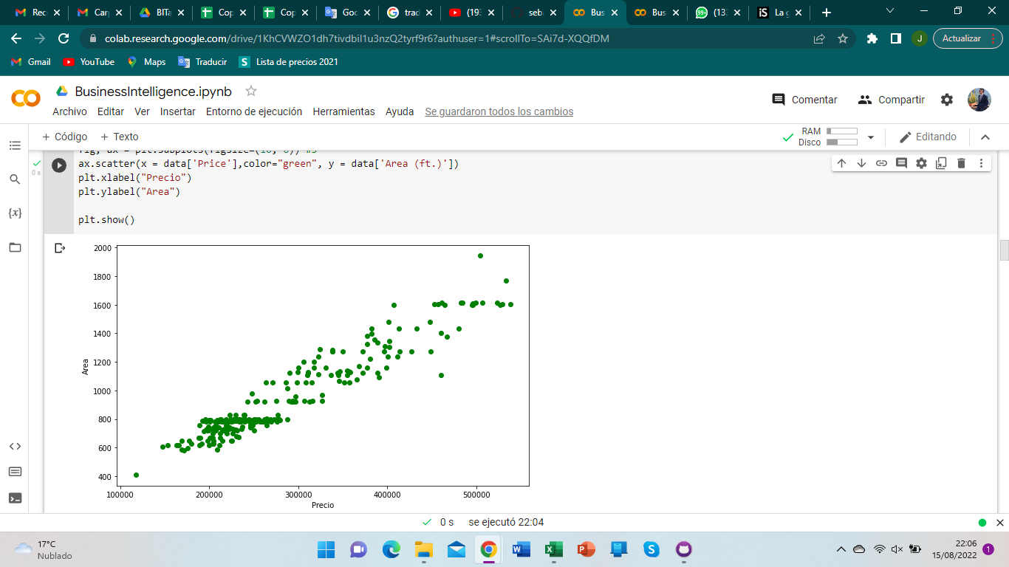

 | Aca en el grafico podemos observar la dispercion de los datos, observamos que donde mas se agrupan los datos es en el rango de 20.000 y 30.000 y mas arriba y uno abajo hay anomalias datos muy atipicos
 | y veamos que mas caro el precio mas grande el area tiene un crecimiento creciente.

Tasks 6,7
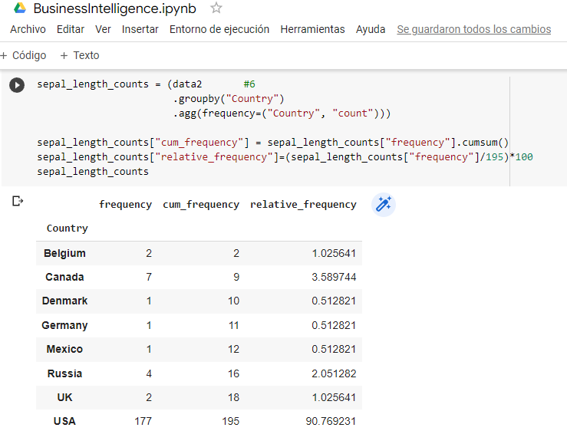
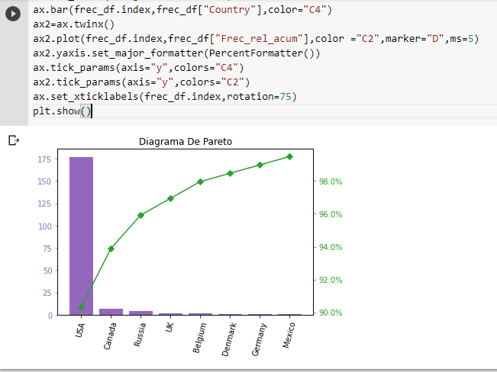
365 DataScience RE California Database
Frequency distribution table. Pareto diagram.

Task 6: Create a frequency distribution table, where you list all the countries from which the company has buyers (country vs number of buyers). Count the absolute frequency, the relative frequency and the cumulative frequency.
Task 7: Create a Pareto diagram representing the data.
 | TASK 6:
 |  | TASK 7:

Tasks 8,9
365 DataScience RE California Database
Measures of central tendency, asymmetry and variability

Task 8: Calculate the mean, median, mode, skewness, variance and standard deviation of Price for all properties, no matter if sold or not.
Task 9: Interpret the measures.

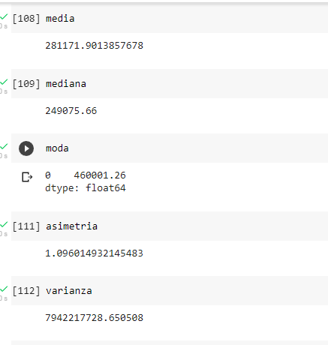
TASK 8:

 | TASK 9: Aca nos muestra la odo el dato que mas se repite que es el del precio de las propiedades, vemos que los datos tambien soy muy parecidos por la asimetria
 | al ser muchos datos tambien es normal que la varianza sea tan alta porque hay mucha dispersion por la alta dispersion de datos.

Task 10
365 DataScience RE California Database
Measures of relationship between variables

Task 10: Calculate the covariance and correlation coefficient between Price and Area, no matter if the property is sold or not. Is the result in line with the scatter plot?

TASK 10:
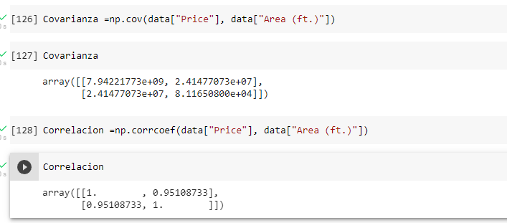
 | Yo diria que si esta linea con el diagrama ya que como vimos ahora en el diagrama
 | el crecimiento era lineal osea que si uno subia el otro tambien, aca el resultado esta
 | muy cerca a 1 lo que hace que esten muy relacionados los datos.

